2025 Pricing
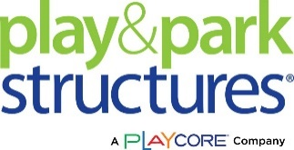
 |  |  |  |  | Services | Price | Unit
 |  |  |  |  | Ancillary Sitework Services | $85.00 | Per man hour plus materials & equipment
 |  |  |  |  | Playground Leveling & Grading Services | $1.50 | Per square foot
 |  |  |  |  | Signed & Sealed Engineered Drawings | $1,200.00 | Per set of drawings
 |  |  |  |  | Maintenance & Repairs | $85.00 | Per man hour plus materials & equipment
 |  |  |  |  | Removal & Disposal | $75.00 | Per man hour plus materials & equipment
 |  |  |  |  | Sitework Services | Price | Unit
 |  |  |  |  | Trench Drain ($/If) with #57 Stone surrounding a 4" perforated flexible pipe, all warpped in geotextile fabric
* Play Equipment Installation 35% of 2025 Retail Price. Minimum Retail Price $5000.00 to provide Installation. |  |  |  |  | 12" wide x 12" depth | $23.50 | LF
* Prevailing Wage Installation 100% of 2025 Retail Price. Minimum Retail Price $5000.00 to provide Installation. |  |  |  |  | 12" wide x 12" depth | $25.50 | LF
* Escalator of 50% of our MSRP for Prevailing wage installation in these 5 CA counties for a total of 150% of MRSP |  |  |  |  | Concrete Sidewalks ($/sf) - 4" think fiber reinforced concrete with 4" stone base | $25.50 | SF
(San Diego, Imperial, Riverside, San Bernardino & Orange Co) |  |  |  |  | (Walks exclude extensive earthwork cutting and includes onsite spoils used as backfill. Good access, no import fill, no haul off of cut, no turned down edges, no ramping etc.)
* Escalator of 5% of our MSRP for Non-Prevailing wage installation in the states listed below for a total of 40% of MRSP
(Iowa, Minnesota, Nebraska, North & South Dakota, & Wisconsin)

* All PPS 6 digit replacement parts are 25%
PART NUMBER | PRODUCT DESCRIPTION | 2025 Price List | OMNIA DISCOUNT | 2025 OMNIA PRICE
SF-234 | HD BIKE RACK 8 BIKE PERM | $557.00 | 30% | $389.90
SF-181 | HD TABLE FRAMES GALV. | $561.00 | 30% | $392.70
SF-100 | 15'PLAYER BENCH SEAT PERM | $565.00 | 30% | $395.50
SF-105 | 6'PLAYER BENCH PORTABLE | $571.00 | 30% | $399.70
SF-165 | 6' SEAT SURFACE MOUNT | $601.00 | 30% | $420.70
SF-142 | STRAIGHT LEG BENCH 6'FIR | $603.00 | 30% | $422.10
SF-164 | 6' SEAT PORTABLE | $606.00 | 30% | $424.20
SF-240 | LOOP BIKE RACK 9 BIKE SMT | $612.00 | 30% | $428.40
SF-136 | ANGLE LEG BENCH 6'DOUGFIR | $615.00 | 30% | $430.50
SF-107 | 8'PLAYER BENCH PERMANENT | $653.00 | 30% | $457.10
SF-148 | 2-LEG PORT BENCH 6'DG FIR | $658.00 | 30% | $460.60
SF-262 | STRAIGHT LEG BENCH 6'FIR | $671.00 | 30% | $469.70
SF-109 | 8'PLAYER BENCH PORTABLE | $694.00 | 30% | $485.80
SF-132 | 8' SEAT INGROUND | $735.00 | 30% | $514.50
SF-149 | 2-LEG PORT BENCH 6'RDWOOD | $745.00 | 30% | $521.50
SF-141 | STRAIGHT LEG BENCH 6'ALUM | $765.00 | 30% | $535.50
SF-198 | STD TABLE FRAMES PAINTED | $767.00 | 30% | $536.90
SF-135 | ANGLE LEG BENCH 6' ALUM | $783.00 | 30% | $548.10
SF-147 | 2-LEG PORT BECH 6'ALUM | $828.00 | 30% | $579.60
SF-217 | RUSTIC RECEPT 20GAL PORT | $834.00 | 30% | $583.80
SF-182 | HD TABLE FRAMES PAINTED | $841.00 | 30% | $588.70
SF-134 | 8' SEAT SURFACE MOUNT | $843.00 | 30% | $590.10
SF-103 | 15'PLAYER BENCH SEAT PORT | $844.00 | 30% | $590.80
SF-133 | 8' SEAT PORTABLE | $846.00 | 30% | $592.20
SF-203 | STD TABLE 6'SYP SLAT GALV | $849.00 | 30% | $594.30
SF-144 | STRAIGHT LEG BENCH 8'ALUM | $909.00 | 30% | $636.30
SF-227 | HD BIKE RACK 18 BIKE PORT | $911.00 | 30% | $637.70
SF-189 | HD TABLE 6'SYP SLAT GALV | $913.00 | 30% | $639.10
SF-228 | HD BIKE RACK 18 BIKE PERM | $913.00 | 30% | $639.10
SF-138 | ANGLE LEG BENCH 8' ALUM | $930.00 | 30% | $651.00
SF-211 | LITTER RECEPTABLE W/O TOP | $937.00 | 30% | $655.90
SF-150 | 2-LEG PORT BENCH 8'ALUM | $965.00 | 30% | $675.50
SF-205 | STD TABLE 8'SYP SLAT GALV | $972.00 | 30% | $680.40
SF-179 | ADA TABLE SYP SLAT 6'GALV | $998.00 | 30% | $698.60
SF-191 | HD TABLE 8'SYP SLAT GALV | $1,041.00 | 30% | $728.70
SF-145 | STRAIGHT LEG BENCH 8'FIR | $1,045.00 | 30% | $731.50
SF-139 | ANGLE LEG BENCH 8'DOUGFIR | $1,059.00 | 30% | $741.30
SF-101 | 15'PLAYER BENCH PERM | $1,081.00 | 30% | $756.70
SF-151 | 2-LEG PORT BENCH 8'DG FIR | $1,103.00 | 30% | $772.10
SF-204 | STD TABLE 6'SYP PAINTED | $1,113.00 | 30% | $779.10
SF-265 | STRAIGHT LEG BENCH 8'FIR | $1,114.00 | 30% | $779.80
SF-128 | 6' BENCH SURFACE MOUNT | $1,116.00 | 30% | $781.20
SF-216 | FAMILY SIZED GRILL | $1,116.00 | 30% | $781.20
SF-210 | LITTER RECEP FLAT TOP SMT | $1,133.00 | 30% | $793.10
SF-102 | 15'PLAYER BENCH PORTABLE | $1,142.00 | 30% | $799.40
SF-190 | HD TABLE 6'SYP PAINTED | $1,190.00 | 30% | $833.00
SF-209 | LITTER RECEP FLAT TOP ING | $1,221.00 | 30% | $854.70
SF-199 | STD TABLE 6'ALUM GALV | $1,245.00 | 30% | $871.50
SF-143 | STRAIGHT LEG BENCH 6'RDWD | $1,254.00 | 30% | $877.80
SF-137 | ANGLE LEG BENCH 6'REDWOOD | $1,269.00 | 30% | $888.30
SF-206 | STD TABLE 8'SYP PAINTED | $1,269.00 | 30% | $888.30
SF-180 | ADA TABLE SYP SLATS | $1,271.00 | 30% | $889.70
SF-328 | 6'MUSIC BENCH W/BACK SM | $1,280.00 | 30% | $896.00
SF-327 | 6'MUSIC BENCH W/BACK PORT | $1,299.00 | 30% | $909.30
SF-261 | STRAIGHT LEG BENCH 6'ALUM | $1,314.00 | 30% | $919.80
SF-263 | STRAIGHT LEG BENCH 6'RDWD | $1,327.00 | 30% | $928.90
SF-192 | HD TABLE 8'SYP PAINTED | $1,355.00 | 30% | $948.50
SF-185 | HD TABLE 6'ALUM SLAT GALV | $1,377.00 | 30% | $963.90
SF-129 | 8' BENCH INGROUND | $1,440.00 | 30% | $1,008.00
SF-264 | STRAIGHT LEG BENCH 8'ALUM | $1,469.00 | 30% | $1,028.30
SF-201 | STD TABLE 8'ALUM GALV | $1,524.00 | 30% | $1,066.80
SF-130 | 8' BENCH PORTABLE | $1,542.00 | 30% | $1,079.40
SF-131 | 8' BENCH SURFACE MOUNT | $1,552.00 | 30% | $1,086.40
SF-177 | ADA TABLE 6' AL SLAT GALV | $1,605.00 | 30% | $1,123.50
SF-187 | HD TABLE 8'ALUM SLAT GALV | $1,725.00 | 30% | $1,207.50
SF-229 | HD BIKE RACK 36 BIKE PORT | $1,734.00 | 30% | $1,213.80
SF-208 | LITTER RECEP DOME TOP SMT | $1,744.00 | 30% | $1,220.80
SF-230 | HD BIKE RACK 36 BIKE PERM | $1,762.00 | 30% | $1,233.40
SF-207 | LITTER RECEP DOME TOP ING | $1,818.00 | 30% | $1,272.60
SF-200 | STD TABLE 6' ALUM PAINTED | $1,827.00 | 30% | $1,278.90
SF-218 | RUSTIC RECEPT 32GAL PERM | $1,869.00 | 30% | $1,308.30
436SS | 4'GOOSENECK W/STD RIM | $2,215.00 | 30% | $1,550.50
440SS | 4'GOOSENECK W/DBL RIM-CHN NET | $2,182.00 | 30% | $1,527.40
438SS | 4'GOOSENECK W/B.A. RIM- PTD BRD | $2,264.00 | 30% | $1,584.80
SF-186 | HD TABLE 6'ALUM PAINTED | $2,018.00 | 30% | $1,412.60
SF-166 | 6' STANDARD PICNIC TABLE | $2,038.00 | 30% | $1,426.60
437SS | 5'GOOSENECK W/STD RIM | $2,401.00 | 30% | $1,680.70
441SS | 5'GOOSENECK W/DBL RIM-CHN NET | $2,447.00 | 30% | $1,712.90
439SS | 5'GOOSENECK W/B.A. RIM- PTD BRD | $2,414.00 | 30% | $1,689.80
SF-202 | STD TABLE 8'ALUM PAINTED | $2,211.00 | 30% | $1,547.70
448SS | 4.5"POST W.ECO-RIM-BOARD | $5,286.00 | 30% | $3,700.20
SF-178 | ADA TABLE 6' ALUM SLAT | $2,260.00 | 30% | $1,582.00
SF-162 | 6' HD PICNIC TABLE | $2,272.00 | 30% | $1,590.40
SF-168 | 8' HD PICNIC TABLE ADA | $2,405.00 | 30% | $1,683.50
SF-188 | HD TABLE 8'ALUM PAINTED | $2,420.00 | 30% | $1,694.00
SF-171 | FOOD COURT TABLE 46" ADA | $2,522.00 | 30% | $1,765.40
SF-169 | 8' STANDARD PICNIC TABLE | $2,552.00 | 30% | $1,786.40
SF-231 | HD BIKE RACK 54 BIKE PORT | $2,572.00 | 30% | $1,800.40
SF-232 | HD BIKE RACK 54 BIKE PERM | $2,580.00 | 30% | $1,806.00
SF-174 | SINGLE PED TABLE ADA INGR | $2,622.00 | 30% | $1,835.40
71003 | SEMI-HEX DECK | $2,665.00 | 30% | $1,865.50
SF-170 | FOOD COURT TABLE 46" | $2,708.00 | 30% | $1,895.60
SF-176 | SINGLE PED TABLE ADA SMT | $2,711.00 | 30% | $1,897.70
SF-167 | 8' HD PICNIC TABLE | $2,789.00 | 30% | $1,952.30
SF-173 | SINGLE PED TABLE 46" INGR | $3,101.00 | 30% | $2,170.70
...

BigToys
BigToys 2025 Price List
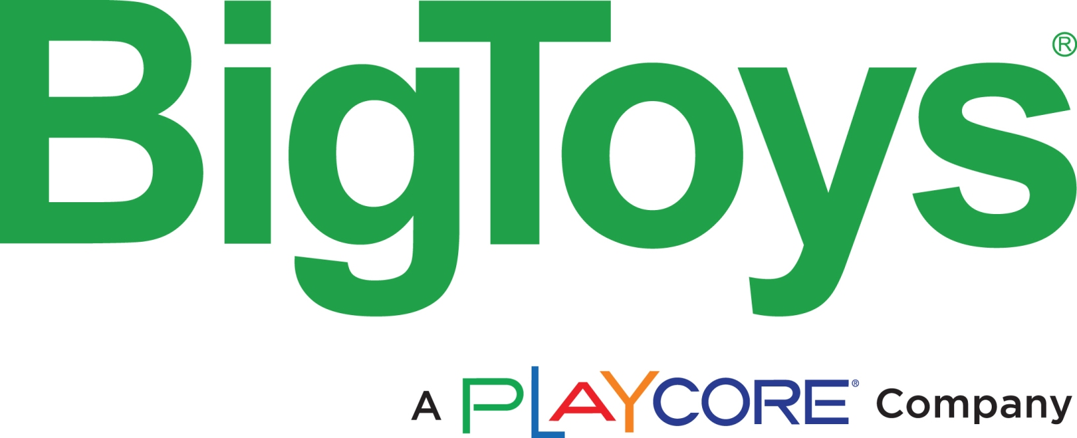

*Play Equipment Installation 35% of 2025 Retail Price. Minimum Retail Price $2500.00 to provide Installation.
*Installation price excludes Prevailing Wage.
*Prevailing Wage Installation 100% of 2025 Retail Price. Minimum Retail Price $2500.00 to provide Installation.

BigToys Structures for children ages 5-12 years |  |  | Page # | Weight LBS | 2025 List Price | Omnia Disc | 2025 Omnia Price
BT-5518 | Wood | LEGACY | 9 | 9157 | $83,388 | 5% | $79,218.49
MBT-5518 | Metal/Plastic | LEGACY | 9 | 8928 | $94,760 | 5% | $90,022.44
BT-804 | Wood | HICKORY | 11 | 5398 | $52,510 | 5% | $49,884.21
MBT-804 | Metal/Plastic | HICKORY | 11 | 4852 | $59,008 | 5% | $56,058.03
...

Frog
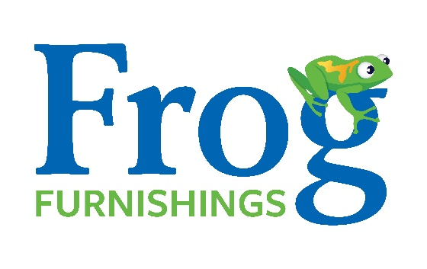

Frog Furnishings offering in Standard Colors - Cedar, Gray, Green or Brown
BENCHES | SKU | LBS. | MSRP | Omnia Discount | Omnia Price
Brooklyn*
4 ft. | PB 4___BROOK | 90 | $639.22 | 5% | $607.26
6 ft. | PB 6___BROOK | 125 | $788.82 | 5% | $749.38
Charleston*
4 ft. | PB 4___CHA | 170 | $1,781.00 | 5% | $1,691.95
6 ft. | PB 6___CHA | 190 | $2,171.00 | 5% | $2,062.45
8 ft. | PB 8___CHA | 210 | $2,818.00 | 5% | $2,677.10
...

